Method
 | Plate |  | Comments
 | Name | Sample | This plate is always included. Method workflow requires the samples start in a 96well plate (For Now)
 | Type | 96 Well PCR Plate

 | Start Method Below

 | Plate |  | Comments
 | Name | Denaturation
 | Type | 96 Well PCR Plate

 | Dilute |  | Comments
 | Source | Sample
 | Diluent | Water
 | Starting Concentration (mg/mL) | Concentration
 | Target Concentration (mg/mL) | 1.5
 | Target Volume (uL) | 10
`` | Max Source Volume (uL) | 10

 | Liquid Transfer |  | Comments
 | Source | 3% Rapigest
 | Liquid Type | Reductant
 | Storage Condition | Ambient
 | Volume (uL) | 10
 | Mix? | Yes

 | Incubate |  | Comments
 | Temp (C) | 90
 | Time (min) | 3
 | Shake (rpm) | 0

 | Incubate |  | Comments
 | Temp (C) | 26
 | Time (min) | 3
 | Shake (rpm) | 0

 | Liquid Transfer |  | Comments
 | Source | Rapid PNGaseF
 | Liquid Type | Enzyme
 | Storage Condition | Cold
 | Volume (uL) | 10
 | Mix? | Yes

 | Incubate |  | Comments
 | Temp (C) | 50
 | Time (min) | 5
 | Shake (rpm) | 0

 | Incubate |  | Comments
 | Temp (C) | 26
 | Time (min) | 3
 | Shake (rpm) | 0

 | Liquid Transfer |  | Comments
 | Source | Reagent Rapifluor
 | Liquid Type | Reductant
 | Storage Condition | Ambient
 | Volume (uL) | 10
 | Mix? | Yes

 | Incubate |  | Comments
 | Temp (C) | 26
 | Time (min) | 5
 | Shake (rpm) | 0

 | Plate |  | Comments
 | Name | Dilution
 | Type | 96 Well PCR Plate

 | Liquid Transfer |  | Comments
 | Source | ACN
 | Liquid Type | Buffer/Diluent
 | Storage Condition | Ambient
 | Volume (uL) | 360
 | Mix? | No

 | Liquid Transfer |  | Comments
 | Source | Denaturation
 | Liquid Type | Plate
 | Storage Condition | Ambient
 | Volume (uL) | 40
 | Mix? | Yes

 | Plate |  | Comments
 | Name | Vacuum Waste 1
 | Type | 96 Well PCR Plate

 | Vacuum |  | Comments
 | Source | Water
 | Volume (uL) | 200
 | Vacuum Plate | Waters Glycoworks HILIC Plate
 | Pre Vacuum Wait (min) | 0
 | Pressure Difference (mTorr) | 50
 | Vacuum Time (min) | 5

 | Liquid Transfer |  | Comments
 | Source | 85% ACN | Forces 85% ACN into RR
 | Liquid Type | Buffer/Diluent
 | Storage Condition | Ambient
 | Volume (uL) | 0
 | Mix? | Yes

 | Vacuum |  | Comments
 | Source | 85% ACN
 | Volume (uL) | 200
 | Vacuum Plate | Waters Glycoworks HILIC Plate
 | Pre Vacuum Wait (min) | 0
 | Pressure Difference (mTorr) | Normal
 | Vacuum Time (min) | 1.5

 | Vacuum |  | Comments
 | Source | Dilution
 | Volume (uL) | 400
 | Vacuum Plate | Waters Glycoworks HILIC Plate
 | Pre Vacuum Wait (min) | 0
 | Pressure Difference (mTorr) | 100
 | Vacuum Time (min) | 10

 | Liquid Transfer |  | Comments
 | Source | 1% Formic Acid, 90% CAN | Forces into RR
 | Liquid Type | Buffer/Diluent
 | Storage Condition | Ambient
 | Volume (uL) | 0
 | Mix? | Yes

 | Plate |  | Comments
 | Name | Vacuum Waste 2
 | Type | 96 Well PCR Plate

 | Vacuum |  | Comments
 | Source | 1% Formic Acid, 90% CAN
 | Volume (uL) | 600
 | Vacuum Plate | Waters Glycoworks HILIC Plate
 | Pre Vacuum Wait (min) | 0
 | Pressure Difference (mTorr) | Normal
 | Vacuum Time (min) | 6

 | Vacuum |  | Comments
 | Source | 1% Formic Acid, 90% CAN
 | Volume (uL) | 600
 | Vacuum Plate | Waters Glycoworks HILIC Plate
 | Pre Vacuum Wait (min) | 0
 | Pressure Difference (mTorr) | Normal
 | Vacuum Time (min) | 6

 | Plate |  | Comments
 | Name | Sample Collection
 | Type | 96 Well PCR Plate

 | Vacuum |  | Comments
 | Source | SPE Elution Buffer
 | Volume (uL) | 30
 | Vacuum Plate | Waters Glycoworks HILIC Plate
 | Pre Vacuum Wait (min) | 0
 | Pressure Difference (mTorr) | Normal
 | Vacuum Time (min) | 1

 | Vacuum |  | Comments
 | Source | SPE Elution Buffer
 | Volume (uL) | 30
 | Vacuum Plate | Waters Glycoworks HILIC Plate
 | Pre Vacuum Wait (min) | 0
 | Pressure Difference (mTorr) | Normal
 | Vacuum Time (min) | 1

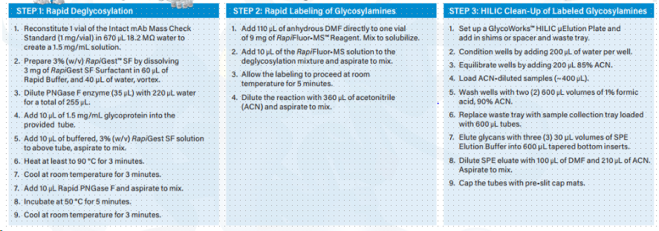
 | Vacuum |  | Comments
 | Source | SPE Elution Buffer
 | Volume (uL) | 30
 | Vacuum Plate | Waters Glycoworks HILIC Plate
 | Pre Vacuum Wait (min) | 0
 | Pressure Difference (mTorr) | Normal
 | Vacuum Time (min) | 1

 | Liquid Transfer |  | Comments
 | Source | DMF
 | Liquid Type | Buffer/Diluent
 | Storage Condition | Ambient
 | Volume (uL) | 100
 | Mix? | Yes

 | Liquid Transfer |  | Comments
 | Source | ACN
 | Liquid Type | Buffer/Diluent
 | Storage Condition | Ambient
 | Volume (uL) | 210
 | Mix? | Yes

 | Finish |  | Comments

